1미만
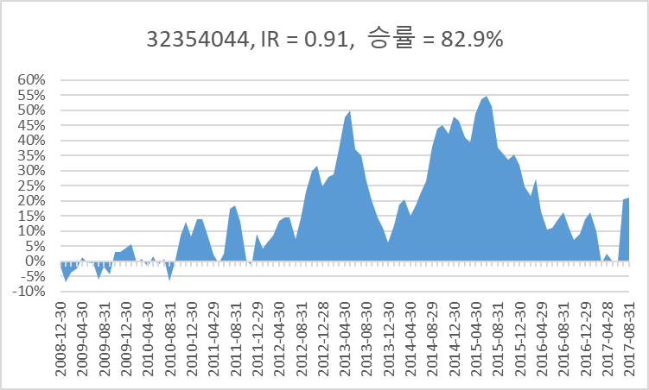
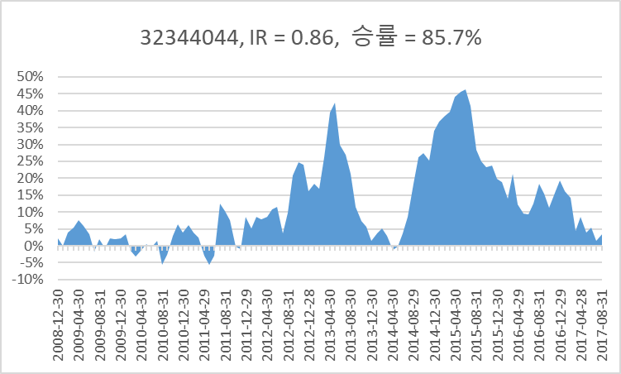
32354044, IR = 0.91, 승률 = 82.9%
Refresh | Last Update : 2017-09-04 10:36:16
0
Time Series (Sector) |  |  |  |  |  | 32384243
Frequency | M | Ascending | 0
Period(From) | 20071228 | Korean | 0
Period(To) | CPD [20170904] |  | 0
 |  |  |  |  |  |  | 2008-12-30 | 2009-01-30 | 2009-02-27 | 2009-03-31 | 2009-04-30 | 2009-05-29 | 2009-06-30 | 2009-07-31 | 2009-08-31 | 2009-09-30 | 2009-10-30 | 2009-11-30 | 2009-12-30 | 2010-01-29 | 2010-02-26 | 2010-03-31 | 2010-04-30 | 2010-05-31 | 2010-06-30 | 2010-07-30 | 2010-08-31 | 2010-09-30 | 2010-10-29 | 2010-11-30 | 2010-12-30 | 2011-01-31 | 2011-02-28 | 2011-03-31 | 2011-04-29 | 2011-05-31 | 2011-06-30 | 2011-07-29 | 2011-08-31 | 2011-09-30 | 2011-10-31 | 2011-11-30 | 2011-12-29 | 2012-01-31 | 2012-02-29 | 2012-03-30 | 2012-04-30 | 2012-05-31 | 2012-06-29 | 2012-07-31 | 2012-08-31 | 2012-09-28 | 2012-10-31 | 2012-11-30 | 2012-12-28 | 2013-01-31 | 2013-02-28 | 2013-03-29 | 2013-04-30 | 2013-05-31 | 2013-06-28 | 2013-07-31 | 2013-08-30 | 2013-09-30 | 2013-10-31 | 2013-11-29 | 2013-12-30 | 2014-01-29 | 2014-02-28 | 2014-03-31 | 2014-04-30 | 2014-05-30 | 2014-06-30 | 2014-07-31 | 2014-08-29 | 2014-09-30 | 2014-10-31 | 2014-11-28 | 2014-12-30 | 2015-01-30 | 2015-02-27 | 2015-03-31 | 2015-04-30 | 2015-05-29 | 2015-06-30 | 2015-07-31 | 2015-08-31 | 2015-09-30 | 2015-10-30 | 2015-11-30 | 2015-12-30 | 2016-01-29 | 2016-02-29 | 2016-03-31 | 2016-04-29 | 2016-05-31 | 2016-06-30 | 2016-07-29 | 2016-08-31 | 2016-09-30 | 2016-10-31 | 2016-11-30 | 2016-12-29 | 2017-01-31 | 2017-02-28 | 2017-03-31 | 2017-04-28 | 2017-05-31 | 2017-06-30 | 2017-07-31 | 2017-08-31
Code | Name | Item Code | Unit | Base Date |  | 2007-12-28 | 2008-01-31 | 2008-02-29 | 2008-03-31 | 2008-04-30 | 2008-05-30 | 2008-06-30 | 2008-07-31 | 2008-08-29 | 2008-09-30 | 2008-10-31 | 2008-11-28 | 2008-12-30 | 2009-01-30 | 2009-02-27 | 2009-03-31 | 2009-04-30 | 2009-05-29 | 2009-06-30 | 2009-07-31 | 2009-08-31 | 2009-09-30 | 2009-10-30 | 2009-11-30 | 2009-12-30 | 2010-01-29 | 2010-02-26 | 2010-03-31 | 2010-04-30 | 2010-05-31 | 2010-06-30 | 2010-07-30 | 2010-08-31 | 2010-09-30 | 2010-10-29 | 2010-11-30 | 2010-12-30 | 2011-01-31 | 2011-02-28 | 2011-03-31 | 2011-04-29 | 2011-05-31 | 2011-06-30 | 2011-07-29 | 2011-08-31 | 2011-09-30 | 2011-10-31 | 2011-11-30 | 2011-12-29 | 2012-01-31 | 2012-02-29 | 2012-03-30 | 2012-04-30 | 2012-05-31 | 2012-06-29 | 2012-07-31 | 2012-08-31 | 2012-09-28 | 2012-10-31 | 2012-11-30 | 2012-12-28 | 2013-01-31 | 2013-02-28 | 2013-03-29 | 2013-04-30 | 2013-05-31 | 2013-06-28 | 2013-07-31 | 2013-08-30 | 2013-09-30 | 2013-10-31 | 2013-11-29 | 2013-12-30 | 2014-01-29 | 2014-02-28 | 2014-03-31 | 2014-04-30 | 2014-05-30 | 2014-06-30 | 2014-07-31 | 2014-08-29 | 2014-09-30 | 2014-10-31 | 2014-11-28 | 2014-12-30 | 2015-01-30 | 2015-02-27 | 2015-03-31 | 2015-04-30 | 2015-05-29 | 2015-06-30 | 2015-07-31 | 2015-08-31 | 2015-09-30 | 2015-10-30 | 2015-11-30 | 2015-12-30 | 2016-01-29 | 2016-02-29 | 2016-03-31 | 2016-04-29 | 2016-05-31 | 2016-06-30 | 2016-07-29 | 2016-08-31 | 2016-09-30 | 2016-10-31 | 2016-11-30 | 2016-12-29 | 2017-01-31 | 2017-02-28 | 2017-03-31 | 2017-04-28 | 2017-05-31 | 2017-06-30 | 2017-07-31 | 2017-08-31 | 2017-09-01
IKS001 | KOSPI | I100100 | P |  | 종가지수 | 1,897.13 | 1,624.68 | 1,711.62 | 1,703.99 | 1,825.47 | 1,852.02 | 1,674.92 | 1,594.67 | 1,474.24 | 1,448.06 | 1,113.06 | 1,076.07 | 1,124.47 | 1,162.11 | 1,063.03 | 1,206.26 | 1,369.36 | 1,395.89 | 1,390.07 | 1,557.29 | 1,591.85 | 1,673.14 | 1,580.69 | 1,555.60 | 1,682.77 | 1,602.43 | 1,594.58 | 1,692.85 | 1,741.56 | 1,641.25 | 1,698.29 | 1,759.33 | 1,742.75 | 1,872.81 | 1,882.95 | 1,904.63 | 2,051.00 | 2,069.73 | 1,939.30 | 2,106.70 | 2,192.36 | 2,142.47 | 2,100.69 | 2,133.21 | 1,880.11 | 1,769.65 | 1,909.03 | 1,847.51 | 1,825.74 | 1,955.79 | 2,030.25 | 2,014.04 | 1,981.99 | 1,843.47 | 1,854.01 | 1,882 | 1,905.12 | 1,996.21 | 1,912.06 | 1,932.90 | 1,997.05 | 1,961.94 | 2,026.49 | 2,004.89 | 1,963.95 | 2,001.05 | 1,863.32 | 1,914.03 | 1,926.36 | 1,996.96 | 2,030.09 | 2,044.87 | 2,011.34 | 1,941.15 | 1,979.99 | 1,985.61 | 1,961.79 | 1,994.96 | 2,002.21 | 2,076.12 | 2,068.54 | 2,020.09 | 1,964.43 | 1,980.78 | 1,915.59 | 1,949.26 | 1,985.80 | 2,041.03 | 2,127.17 | 2,114.80 | 2,074.20 | 2,030.16 | 1,941.49 | 1,962.81 | 2,029.47 | 1,991.97 | 1,961.31 | 1,912.06 | 1,916.66 | 1,995.85 | 1,994.15 | 1,983.40 | 1,970.35 | 2,016.19 | 2,034.65 | 2,043.63 | 2,008.19 | 1,983.48 | 2,026.46 | 2,067.57 | 2,091.64 | 2,160.23 | 2,205.44 | 2,347.38 | 2,391.79 | 2,402.71 | 2,363.19 | 2,357.69
 |  |  |  |  |  | 코스피 | 0.85638833396 | 1.0535120762 | 0.99554223484 | 1.0712914982 | 1.0145441996 | 0.90437468278 | 0.95208726387 | 0.92447967291 | 0.98224169742 | 0.76865599492 | 0.96676729017 | 1.0449784865 | 1.0334735475 | 0.91474128955 | 1.1347374956 | 1.1352113143 | 1.0193740141 | 0.99583061703 | 1.1202961002 | 1.0221923983 | 1.0510663693 | 0.94474461193 | 0.98412718496 | 1.0817498071 | 0.95225729006 | 0.99510119007 | 1.0616275132 | 1.0287739611 | 0.94240221411 | 1.0347539985 | 1.0359420358 | 0.99057595789 | 1.074629178 | 1.0054143239 | 1.011513848 | 1.0768495718 | 1.0091321307 | 0.93698211844 | 1.0863198061 | 1.040660749 | 0.97724370085 | 0.98049914351 | 1.0154806278 | 0.88135251569 | 0.94124811846 | 1.078761337 | 0.96777420994 | 0.98821657258 | 1.0712313911 | 1.0380715721 | 0.99201576161 | 0.98408671129 | 0.93011064637 | 1.0057174785 | 1.0150916122 | 1.0122901822 | 1.0478132611 | 0.9578451165 | 1.0108992396 | 1.0331884733 | 0.98241906813 | 1.0329011081 | 0.98934117612 | 0.97957992708 | 1.0188905013 | 0.93117113515 | 1.0272148638 | 1.0064419053 | 1.0366494321 | 1.0165902171 | 1.0072804654 | 0.98360286962 | 0.96510286675 | 1.0200087577 | 1.0028383982 | 0.98800368652 | 1.0169080279 | 1.0036341581 | 1.0369142098 | 0.99634895863 | 0.97657768281 | 0.97244677217 | 1.008323025 | 0.96708872262 | 1.0175768301 | 1.0187455752 | 1.0278124685 | 1.0422041812 | 0.99418476191 | 0.98080196709 | 0.97876771767 | 0.95632363952 | 1.0109812567 | 1.0339615144 | 0.98152226936 | 0.98460820193 | 0.9748892322 | 1.0024057822 | 1.0413166654 | 0.99914823258 | 0.994609232 | 0.99342038923 | 1.0232649022 | 1.0091558831 | 1.0044135355 | 0.98265830899 | 0.98769538739 | 1.0216689858 | 1.0202866082 | 1.0116416857 | 1.0327924499 | 1.0209283271 | 1.0643590395 | 1.018918965 | 1.0045656182 | 0.98355190597 | 0.99767263741
 |  |  |  |  |  | 코스피12누적 | 0.59272163742 | 0.7152854716 | 0.62106659188 | 0.70790321539 | 0.75014105956 | 0.75371216294 | 0.82993217587 | 0.97655941355 | 1.0797766985 | 1.1554355483 | 1.4201300918 | 1.4456308604 | 1.4965005736 | 1.3788970063 | 1.5000329248 | 1.4033873294 | 1.2718058071 | 1.1757731626 | 1.2217298409 | 1.1297381991 | 1.0947953639 | 1.1193384893 | 1.1912202899 | 1.224370018 | 1.2188237252 | 1.2916196027 | 1.2161823176 | 1.2444693859 | 1.2588483888 | 1.3053891851 | 1.2369442204 | 1.2125127179 | 1.0788179601 | 0.94491699639 | 1.0138506068 | 0.97000992319 | 0.89017064846 | 0.94494934122 | 1.0468983654 | 0.95601651873 | 0.90404404386 | 0.86044145309 | 0.88257191685 | 0.88223381664 | 1.0133024132 | 1.1280253157 | 1.0015871935 | 1.046218965 | 1.0938304468 | 1.0031445094 | 0.99814801133 | 0.99545689261 | 0.99089803682 | 1.0854801 | 1.0050215479 | 1.0170245325 | 1.011148904 | 1.000375712 | 1.0617292344 | 1.0579285012 | 1.0071555544 | 0.98940334567 | 0.97705392082 | 0.99038351231 | 0.99890017567 | 0.99695659779 | 1.0745389949 | 1.084685193 | 1.0738075957 | 1.0115826056 | 0.96765660636 | 0.96865815431 | 0.9523949208 | 1.0041779358 | 1.0029343583 | 1.0279108183 | 1.0843005622 | 1.0600713799 | 1.0359552694 | 0.9778625513 | 0.93857986793 | 0.97164482771 | 1.0331088407 | 1.0056492897 | 1.0238673203 | 0.98091583473 | 0.96518279786 | 0.97786411763 | 0.93746621098 | 0.93786646491 | 0.9499325041 | 0.99311876896 | 1.047983765 | 1.0411756614 | 0.98951450379 | 0.99573788762 | 1.0332175944 | 1.0813311298 | 1.0912942306 | 1.0823608989 | 1.1059549181 | 1.1835131592 | 1.2138909331 | 1.1917081227 | 1.1614724891
 |  |  |  |  |  | 25p | 0.84202136217 | 1.0479147612 | 0.97444692916 | 1.0647378162 | 1.0619222701 | 0.95151966434 | 0.94942869564 | 0.89942256161 | 0.95207325347 | 0.76541144602 | 1.0098485596 | 1.0413669886 | 1.012644844 | 0.96512765034 | 1.1460219422 | 1.098689894 | 0.99086029554 | 1.0039927675 | 1.0531640694 | 1.0330854539 | 0.99902840111 | 0.95686147845 | 0.98996337751 | 1.1241888699 | 0.95298554826 | 0.99950139112 | 1.0513971286 | 1.0670448218 | 0.94341010809 | 1.053263597 | 1.0309955664 | 1.0097264657 | 1.0813456978 | 1.09014046 | 1.0488546675 | 1.0570429656 | 1.03227344 | 0.91820335871 | 1.0842832262 | 1.0321818097 | 0.96471599344 | 0.99066814863 | 1.0822805077 | 0.90207820299 | 0.9352497251 | 1.0925907393 | 1.0007357089 | 1.0321855952 | 1.0370057443 | 1.0766558912 | 0.94861946937 | 0.97050266619 | 0.94486272541 | 1.0501449028 | 1.0147766627 | 1.0526551504 | 1.0837120465 | 0.99864439356 | 1.030833564 | 0.99348870956 | 1.0485212394 | 1.0757495131 | 1.0541296464 | 1.0967626317 | 1.002083212 | 0.90614652328 | 1.0312058804 | 0.9917505903 | 1.0211986295 | 1.0376559075 | 1.0224806757 | 0.98726725593 | 1.0131289389 | 1.0405894158 | 1.0171510532 | 1.0180219934 | 1.0337573112 | 0.9788070598 | 1.0277386137 | 1.0539755833 | 1.0275579639 | 1.0200945575 | 0.98193405525 | 1.0457635773 | 1.0766793961 | 1.0166267583 | 1.0388141199 | 1.0460482158 | 0.99522392203 | 1.053153744 | 0.97130062087 | 0.9325469201 | 1.0036183218 | 1.0179193528 | 0.92760175295 | 1.0026854031 | 0.99141213372 | 0.99893604301 | 1.0725656889 | 1.0176513546 | 0.99750941691 | 1.0214833556 | 1.0397659785 | 0.97940040623 | 0.99249516785 | 0.95687101478 | 0.99687268437 | 1.0399032101 | 1.0172898953 | 0.9896732347 | 1.0187908777 | 1.040942264 | 1.0234164295 | 1.0180374716 | 1.2128165364 | 0.9507121561
 |  |  |  |  |  | 누적 | 0.6053575174 | 0.72802448523 | 0.6705092693 | 0.78856868661 | 0.81371435631 | 0.7592620197 | 0.80113276164 | 0.88866519758 | 1.0207294416 | 1.0710706327 | 1.338974266 | 1.3126081868 | 1.4170023924 | 1.3335206413 | 1.3810149731 | 1.2669872397 | 1.2304947745 | 1.1715690026 | 1.2290636165 | 1.2031925284 | 1.1759872666 | 1.2728855056 | 1.4501827295 | 1.5364517105 | 1.4446820424 | 1.5648788215 | 1.4375937869 | 1.4825595267 | 1.4341206143 | 1.4665086596 | 1.37935406 | 1.4479674414 | 1.2935977336 | 1.1188253 | 1.1213400534 | 1.0698956376 | 1.0447360243 | 1.0495254614 | 1.2306399886 | 1.0766643113 | 1.0123270677 | 0.99149399271 | 1.0510203281 | 0.9854662385 | 1.1499625067 | 1.3325085141 | 1.2179328536 | 1.2545630711 | 1.2075292005 | 1.2209382841 | 1.2199104426 | 1.3555949514 | 1.5319544584 | 1.6247289718 | 1.4019422512 | 1.4246396735 | 1.3422128193 | 1.2647879074 | 1.3141961767 | 1.303547189 | 1.2953840782 | 1.2516590483 | 1.2107494746 | 1.1682766986 | 1.0844018015 | 1.1186778474 | 1.2083804843 | 1.204317496 | 1.2798794855 | 1.2878497094 | 1.2660540646 | 1.2158485059 | 1.2878884369 | 1.3686737109 | 1.3371559394 | 1.3656344022 | 1.4032304205 | 1.3509248906 | 1.4535363146 | 1.3737157542 | 1.2154497846 | 1.1871327126 | 1.1846013231 | 1.1190550506 | 1.0729577783 | 0.98798524822 | 0.97079293494 | 1.002334463 | 0.97512429035 | 0.97736362717 | 0.94797239547 | 1.0147933854 | 1.0657791394 | 1.0539670539 | 0.99075680363 | 1.064743993 | 1.1042652988 | 1.1330887448 | 1.1225819822 | 1.0662995234 | 1.0907038397 | 1.1190312697 | 1.1152563164 | 1.3008708987 | 1.2627662487
 |  |  |  |  |  | 차이 | 1% | 1% | 5% | 8% | 6% | 1% | -3% | -9% | -6% | -8% | -8% | -13% | -8% | -5% | -12% | -14% | -4% | 0% | 1% | 7% | 8% | 15% | 26% | 31% | 23% | 27% | 22% | 24% | 18% | 16% | 14% | 24% | 21% | 17% | 11% | 10% | 15% | 10% | 18% | 12% | 11% | 13% | 17% | 10% | 14% | 20% | 22% | 21% | 11% | 22% | 22% | 36% | 54% | 54% | 40% | 41% | 33% | 26% | 25% | 25% | 29% | 26% | 23% | 18% | 9% | 12% | 13% | 12% | 21% | 28% | 30% | 25% | 34% | 36% | 33% | 34% | 32% | 29% | 42% | 40% | 28% | 22% | 15% | 11% | 5% | 1% | 1% | 2% | 4% | 4% | 0% | 2% | 2% | 1% | 0% | 7% | 7% | 5% | 3% | -2% | -2% | -6% | -10% | 11% | 10%
 |  |  |  |  |  |  | 83.8%

 |  |  |  |  |  | 0 | 1 | 2 | 3 | 4 | 5 | 6 | 7 | 8 | 9 | 10 | 11 | 12 | 13 | 14 | 15 | 16 | 17 | 18 | 19 | 20 | 21 | 22 | 23 | 24 | 25 | 26 | 27 | 28 | 29 | 30 | 31 | 32 | 33 | 34 | 35 | 36 | 37 | 38 | 39 | 40 | 41 | 42 | 43 | 44 | 45 | 46 | 47 | 48 | 49 | 50 | 51 | 52 | 53 | 54 | 55 | 56 | 57 | 58 | 59 | 60 | 61 | 62 | 63 | 64 | 65 | 66 | 67 | 68 | 69 | 70 | 71 | 72 | 73 | 74 | 75 | 76 | 77 | 78 | 79 | 80 | 81 | 82 | 83 | 84 | 85 | 86 | 87 | 88 | 89 | 90 | 91 | 92 | 93 | 94 | 95 | 96 | 97 | 98 | 99 | 100 | 101 | 102 | 103 | 104 | 105 | 106 | 107 | 108 | 109 | 110 | 111 | 112 | 113 | 114 | 115 | 116 | 117 | 118 | 119 | 120 | 121 | 122 | 123 | 124 | 125 | 126 | 127 | 128 | 129 | 130 | 131 | 132 | 133 | 134 | 135 | 136 | 137 | 138 | 139 | 140 | 141 | 142 | 143 | 144 | 145 | 146 | 147 | 148 | 149 | 150 | 151 | 152 | 153 | 154 | 155 | 156 | 157 | 158 | 159 | 160 | 161 | 162 | 163 | 164 | 165 | 166 | 167 | 168 | 169 | 170 | 171 | 172 | 173 | 174 | 175 | 176 | 177 | 178 | 179 | 180 | 181 | 182 | 183 | 184 | 185 | 186 | 187 | 188 | 189 | 190 | 191 | 192 | 193 | 194 | 195 | 196 | 197
 |  |  |  |  | 0 | 0.94966027694 | 1.0572687142 | 1.1546674681 | 1.0834212202 | 0.89728336103 | 1.0092218712 | 0.94068737172 | 1.1065543767 | 1.2625259371 | 1.0772899131 | 1.1034834322 | 1.1382046358 | 1.1447694872 | 0.92785468075 | 0.89138882175 | 0.92587564643 | 0.98213109053 | 1.0394790218 | 0.86710858378 | 1.051180194 | 1.113439452 | 0.85097758322 | 0.9334422282 | 1.02713222 | 0.91836865376 | 1.1276074534 | 1.1046926031 | 1.0190055623 | 1.0690743944 | 1.0992020643 | 0.94818367533 | 1.0972230928 | 1.0227533978 | 1.031724245 | 1.025690646 | 1.0437975231 | 1.0475050791 | 1.0263205423 | 0.90635773896 | 0.95897660089 | 0.95620607044 | 1.1086509584 | 1.0832165851 | 1.0589092014 | 1.0661541395 | 1.0046674258 | 1.0684015733 | 1.1537832836 | 0.97211008092 | 0.97305317701 | 1.0453378697 | 1.1577416419 | 1.0940389079 | 0.98135420756 | 1.1560254406 | 1.0211549579 | 1.0965975081 | 0.96613601652 | 1.0113136025 | 0.98087193514 | 1.0156533783 | 1.1247127598 | 0.91183436816 | 0.93923649836 | 1.0109047991 | 1.011669581 | 1.0277773532 | 1.0312646313 | 1.121502617 | 0.95779131382 | 0.92395850967 | 1.0122423369 | 1.083237395 | 1.1005101859 | 1.2063749551 | 1.0175426855 | 1.1130575175 | 0.94120729116 | 0.96304286095 | 0.98694528871 | 0.96050390603 | 1.0102195833 | 0.84202136217 | 1.0479147612 | 0.97444692916 | 1.0647378162 | 1.0619222701 | 0.95151966434 | 0.94942869564 | 0.89942256161 | 0.95207325347 | 0.76541144602 | 1.0098485596 | 1.0413669886 | 1.012644844 | 0.96512765034 | 1.1460219422 | 1.098689894 | 0.99086029554 | 1.0039927675 | 1.0531640694 | 1.0330854539 | 0.99902840111 | 0.95686147845 | 0.98996337751 | 1.1241888699 | 0.95298554826 | 0.99950139112 | 1.0513971286 | 1.0670448218 | 0.94341010809 | 1.053263597 | 1.0309955664 | 1.0097264657 | 1.0813456978 | 1.09014046 | 1.0488546675 | 1.0570429656 | 1.03227344 | 0.91820335871 | 1.0842832262 | 1.0321818097 | 0.96471599344 | 0.99066814863 | 1.0822805077 | 0.90207820299 | 0.9352497251 | 1.0925907393 | 1.0007357089 | 1.0321855952 | 1.0370057443 | 1.0766558912 | 0.94861946937 | 0.97050266619 | 0.94486272541 | 1.0501449028 | 1.0147766627 | 1.0526551504 | 1.0837120465 | 0.99864439356 | 1.030833564 | 0.99348870956 | 1.0485212394 | 1.0757495131 | 1.0541296464 | 1.0967626317 | 1.002083212 | 0.90614652328 | 1.0312058804 | 0.9917505903 | 1.0211986295 | 1.0376559075 | 1.0224806757 | 0.98726725593 | 1.0131289389 | 1.0405894158 | 1.0171510532 | 1.0180219934 | 1.0337573112 | 0.9788070598 | 1.0277386137 | 1.0539755833 | 1.0275579639 | 1.0200945575 | 0.98193405525 | 1.0457635773 | 1.0766793961 | 1.0166267583 | 1.0388141199 | 1.0460482158 | 0.99522392203 | 1.053153744 | 0.97130062087 | 0.9325469201 | 1.0036183218 | 1.0179193528 | 0.92760175295 | 1.0026854031 | 0.99141213372 | 0.99893604301 | 1.0725656889 | 1.0176513546 | 0.99750941691 | 1.0214833556 | 1.0397659785 | 0.97940040623 | 0.99249516785 | 0.95687101478 | 0.99687268437 | 1.0399032101 | 1.0172898953 | 0.9896732347 | 1.0187908777 | 1.040942264 | 1.0234164295 | 1.0180374716 | 1.2128165364 | 0.9507121561

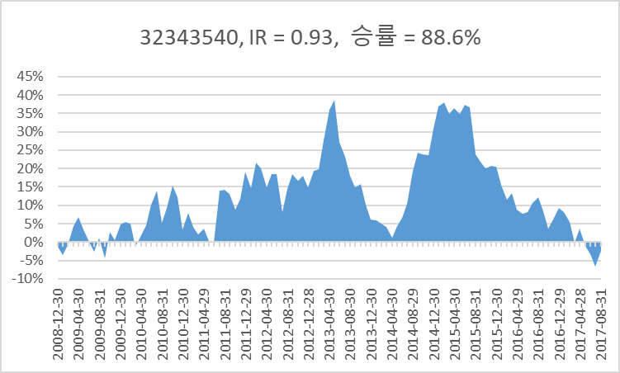
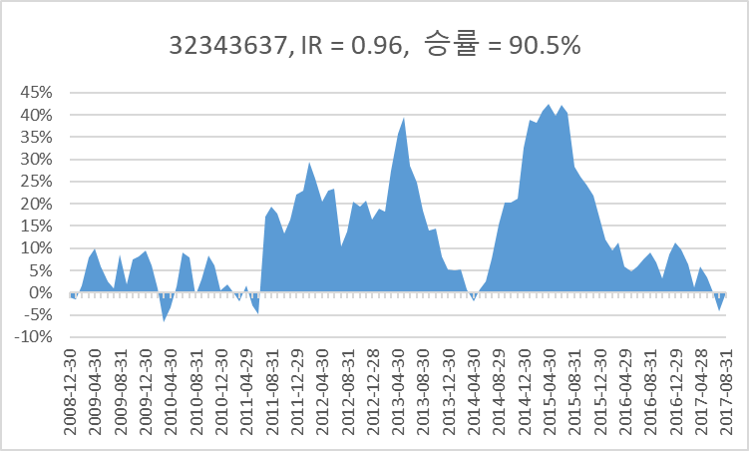
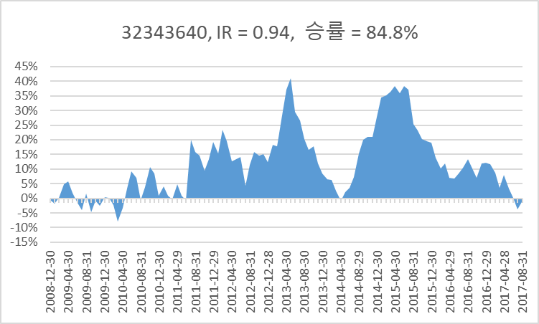
 |  |  |  |  |  | 2008-12-30 | 2009-01-30 | 2009-02-27 | 2009-03-31 | 2009-04-30 | 2009-05-29 | 2009-06-30 | 2009-07-31 | 2009-08-31 | 2009-09-30 | 2009-10-30 | 2009-11-30 | 2009-12-30 | 2010-01-29 | 2010-02-26 | 2010-03-31 | 2010-04-30 | 2010-05-31 | 2010-06-30 | 2010-07-30 | 2010-08-31 | 2010-09-30 | 2010-10-29 | 2010-11-30 | 2010-12-30 | 2011-01-31 | 2011-02-28 | 2011-03-31 | 2011-04-29 | 2011-05-31 | 2011-06-30 | 2011-07-29 | 2011-08-31 | 2011-09-30 | 2011-10-31 | 2011-11-30 | 2011-12-29 | 2012-01-31 | 2012-02-29 | 2012-03-30 | 2012-04-30 | 2012-05-31 | 2012-06-29 | 2012-07-31 | 2012-08-31 | 2012-09-28 | 2012-10-31 | 2012-11-30 | 2012-12-28 | 2013-01-31 | 2013-02-28 | 2013-03-29 | 2013-04-30 | 2013-05-31 | 2013-06-28 | 2013-07-31 | 2013-08-30 | 2013-09-30 | 2013-10-31 | 2013-11-29 | 2013-12-30 | 2014-01-29 | 2014-02-28 | 2014-03-31 | 2014-04-30 | 2014-05-30 | 2014-06-30 | 2014-07-31 | 2014-08-29 | 2014-09-30 | 2014-10-31 | 2014-11-28 | 2014-12-30 | 2015-01-30 | 2015-02-27 | 2015-03-31 | 2015-04-30 | 2015-05-29 | 2015-06-30 | 2015-07-31 | 2015-08-31 | 2015-09-30 | 2015-10-30 | 2015-11-30 | 2015-12-30 | 2016-01-29 | 2016-02-29 | 2016-03-31 | 2016-04-29 | 2016-05-31 | 2016-06-30 | 2016-07-29 | 2016-08-31 | 2016-09-30 | 2016-10-31 | 2016-11-30 | 2016-12-29 | 2017-01-31 | 2017-02-28 | 2017-03-31 | 2017-04-28 | 2017-05-31 | 2017-06-30 | 2017-07-31 | 2017-08-31

IR1이상
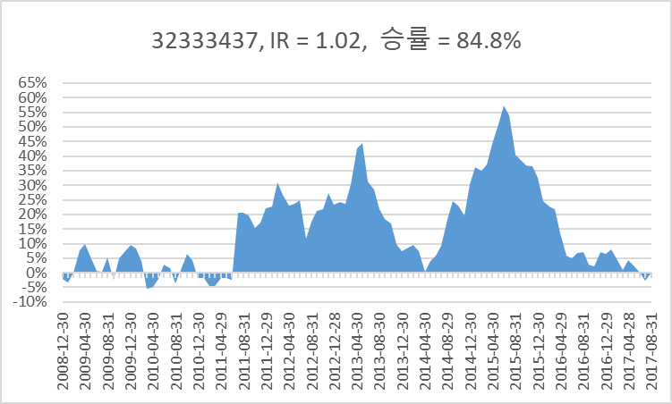
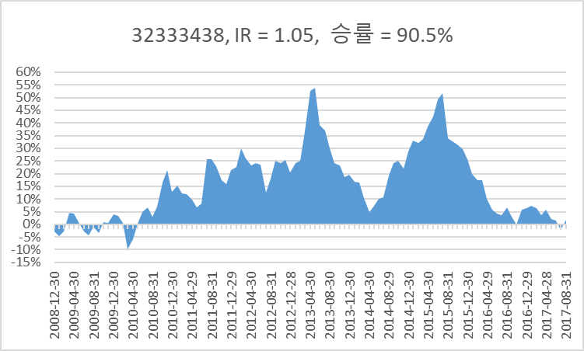
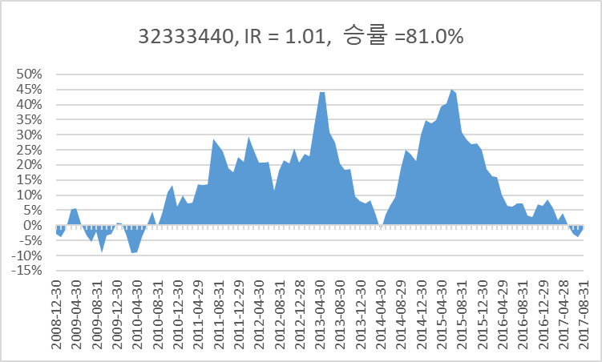
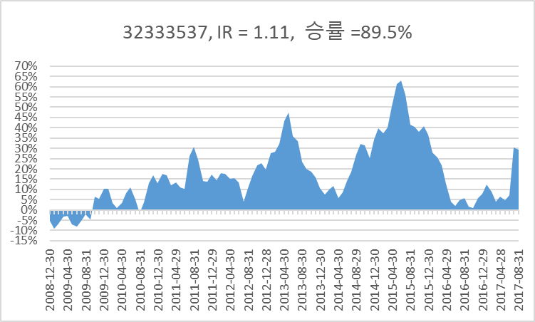
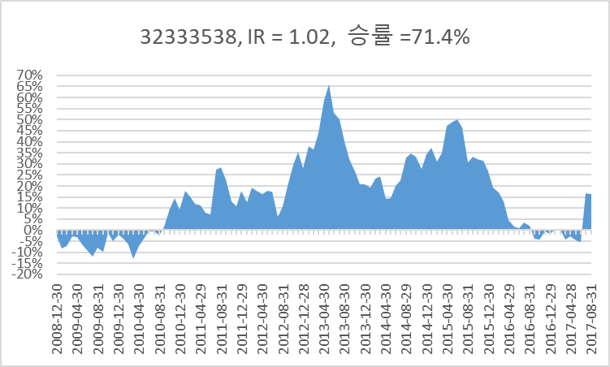
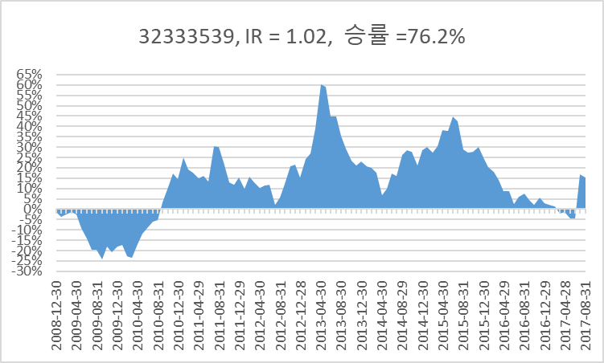
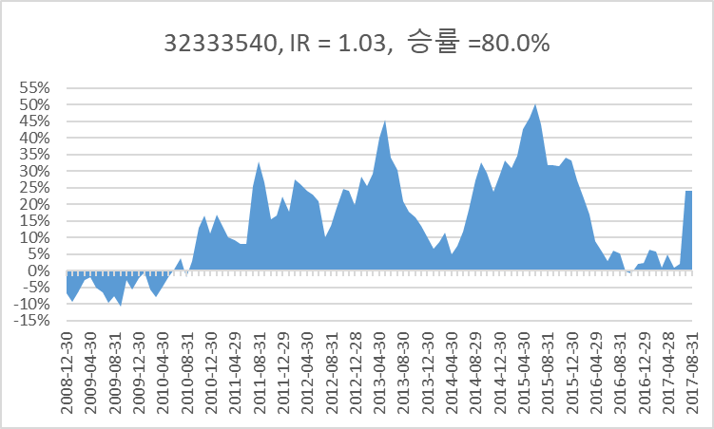
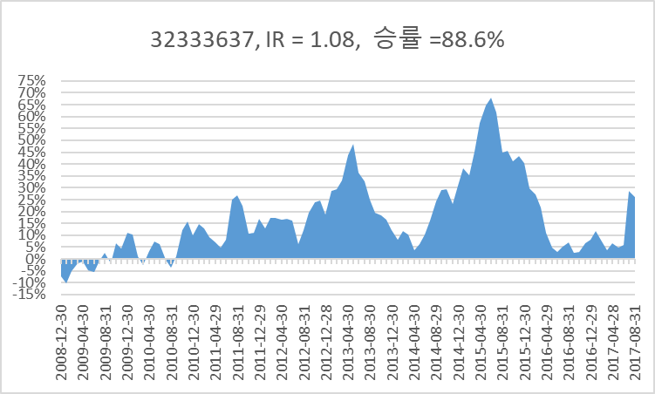
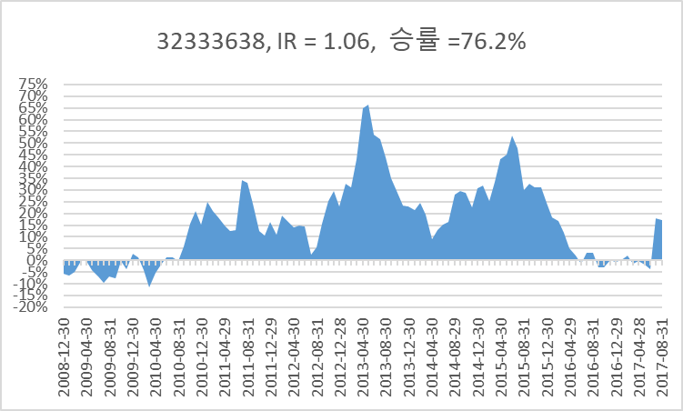
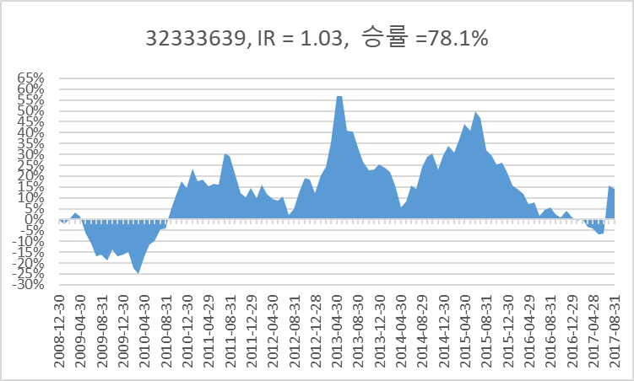
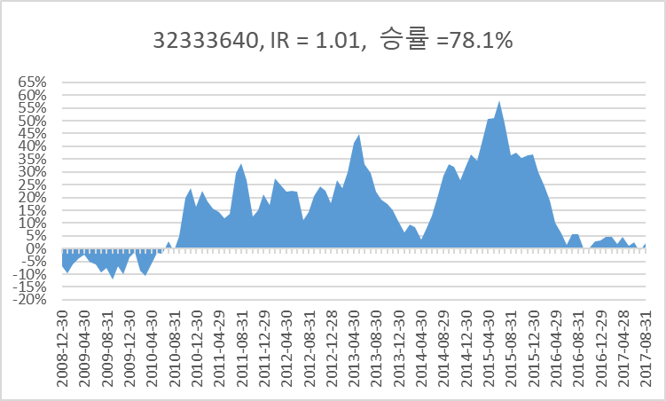
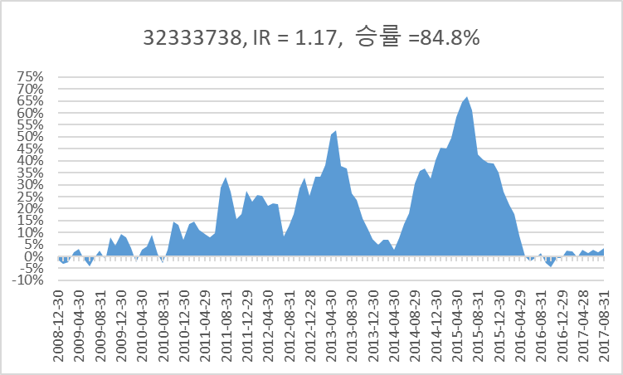
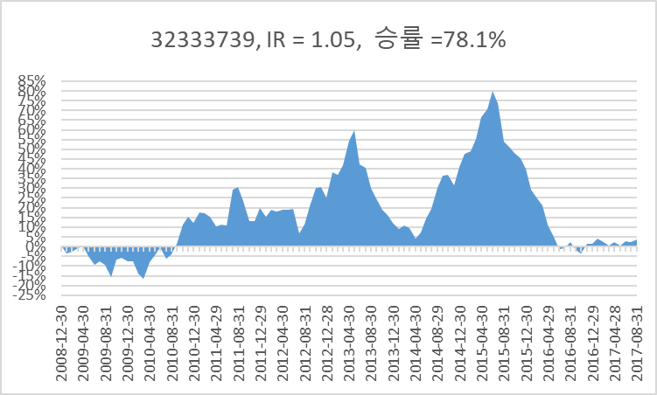
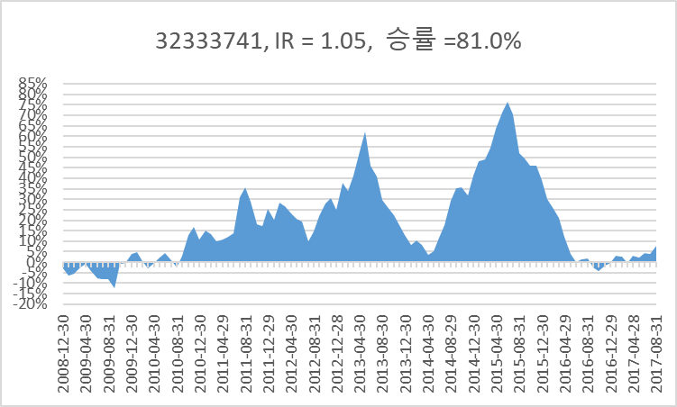
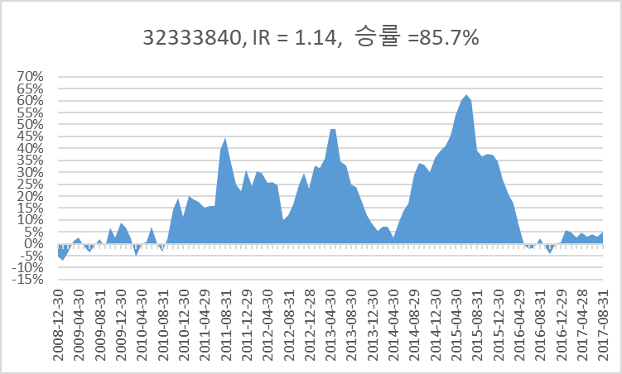
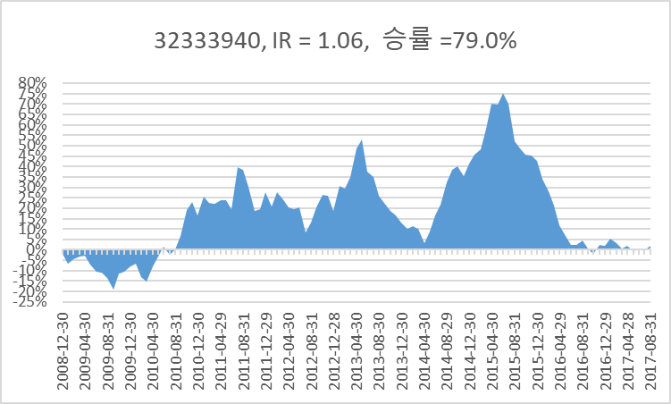

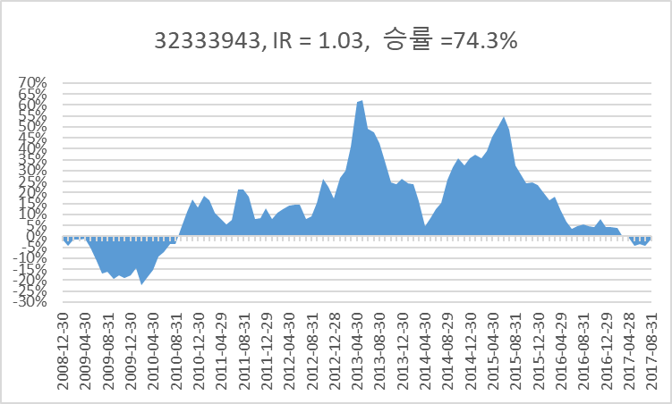
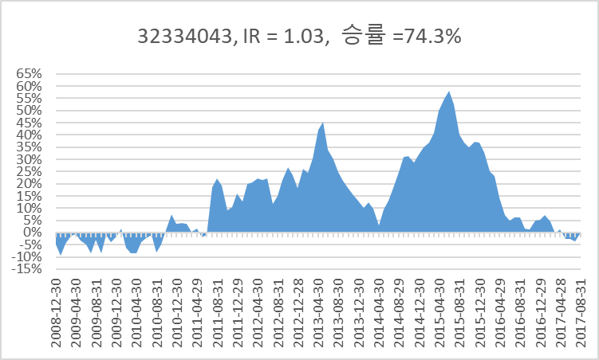
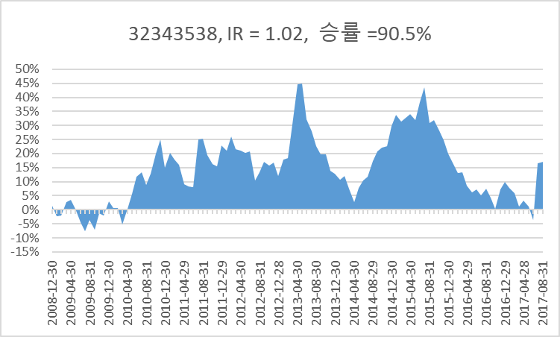
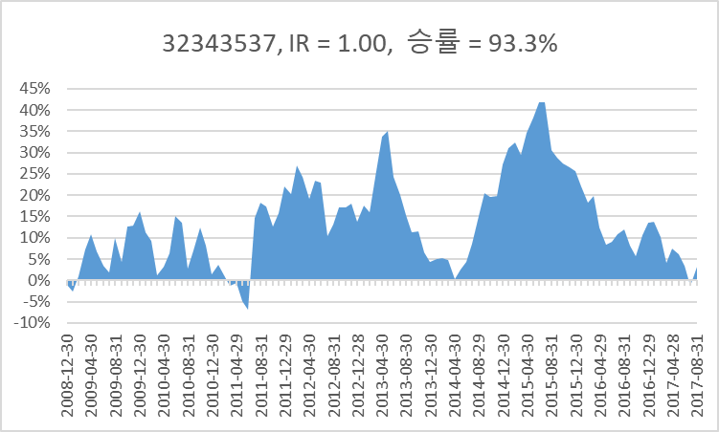
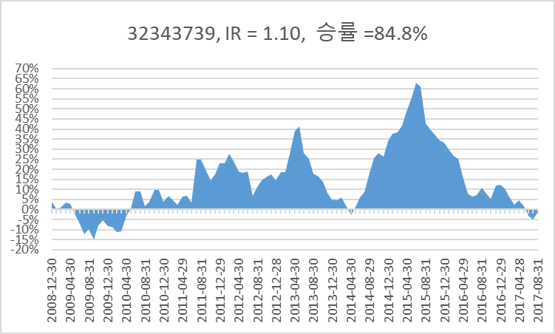
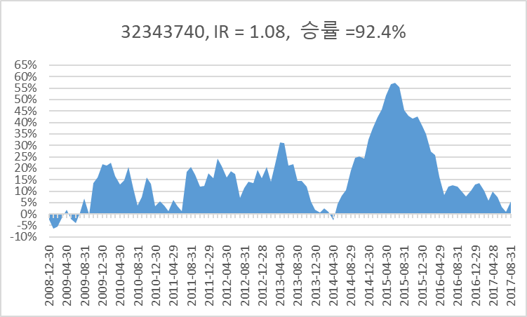
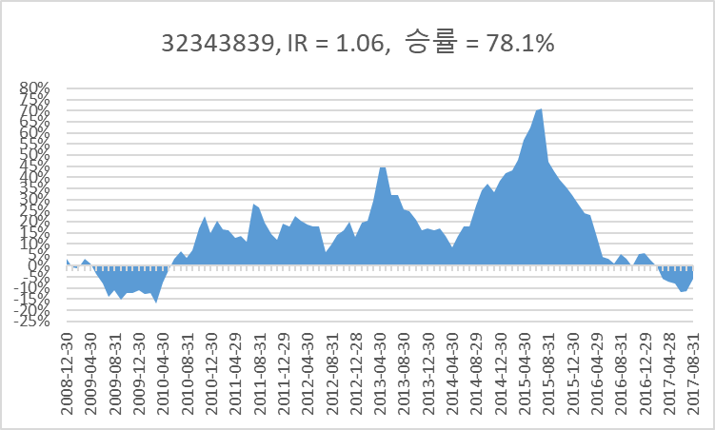
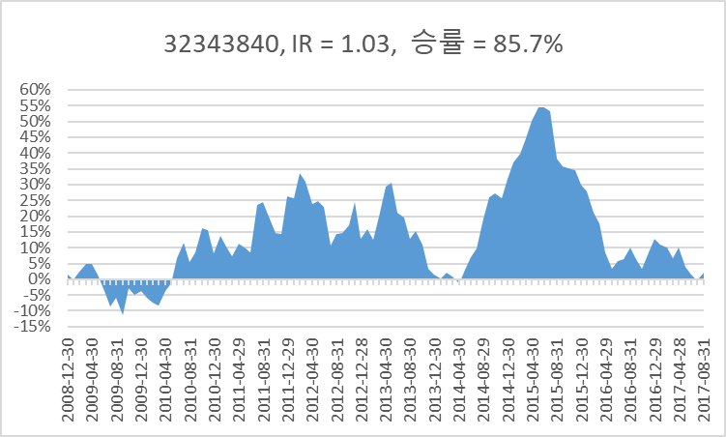
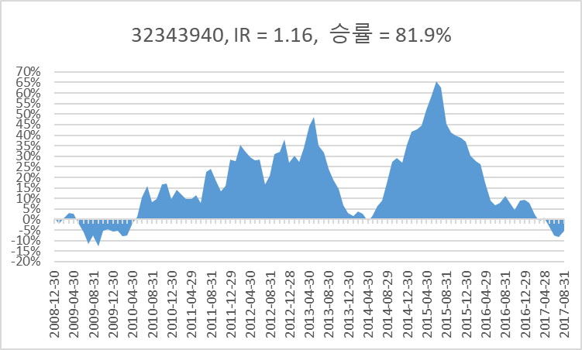
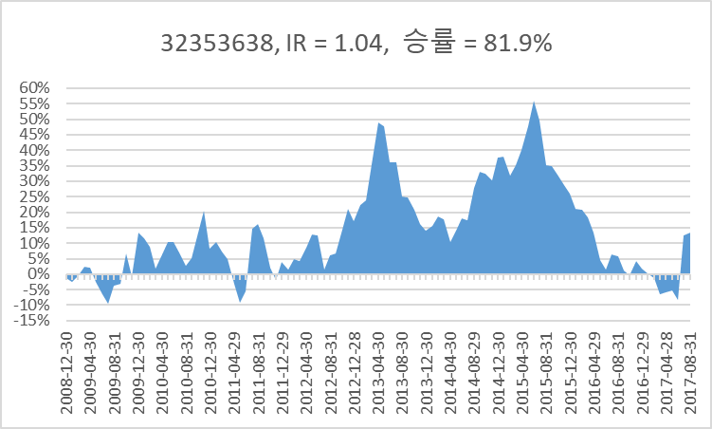
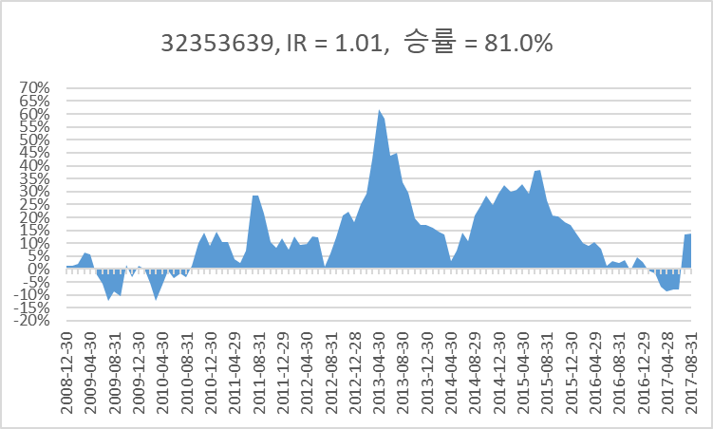
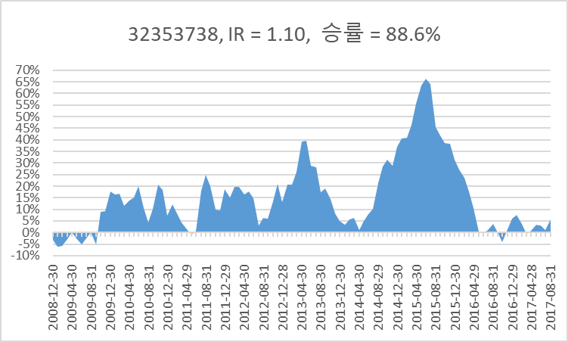
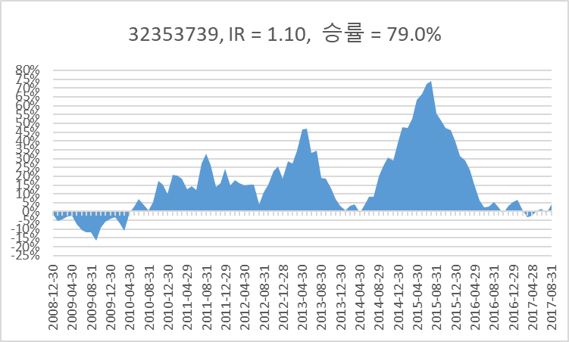
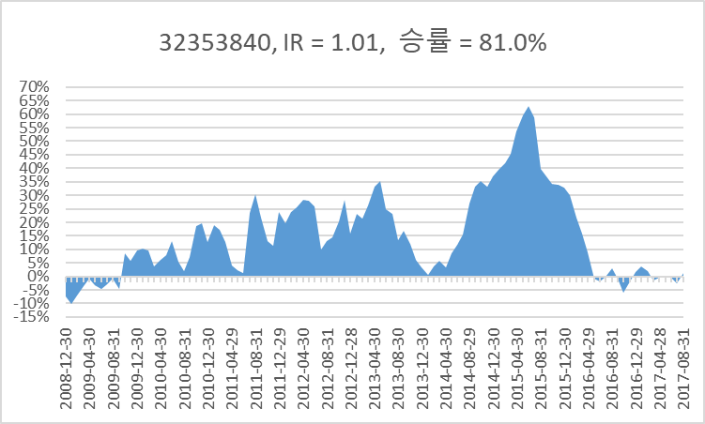
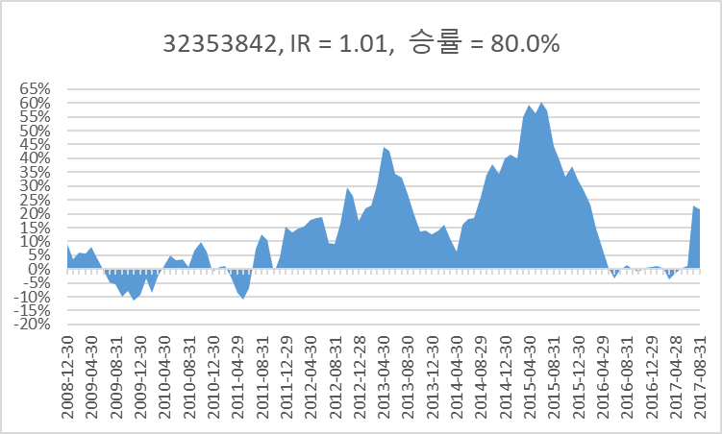
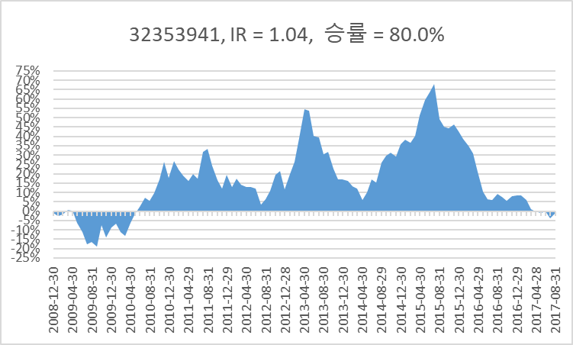
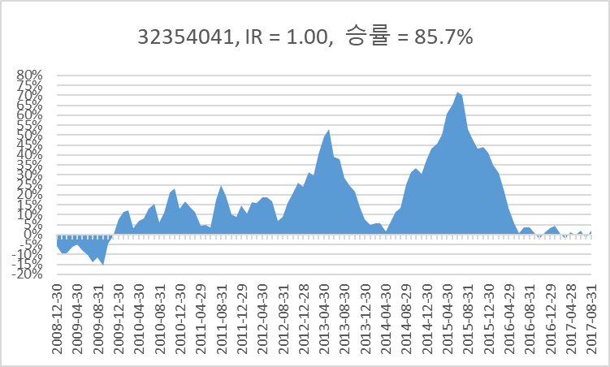
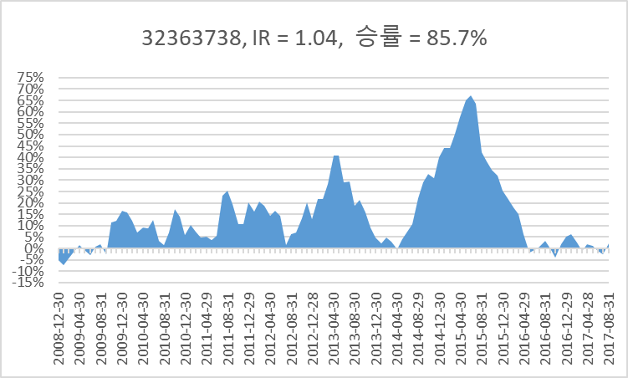
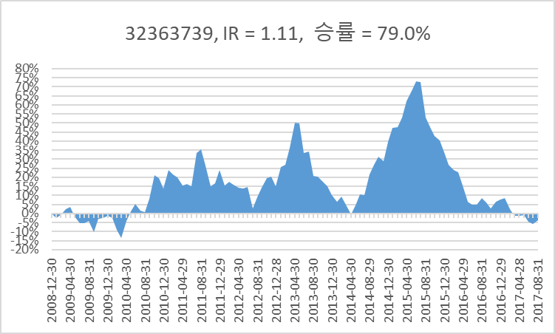
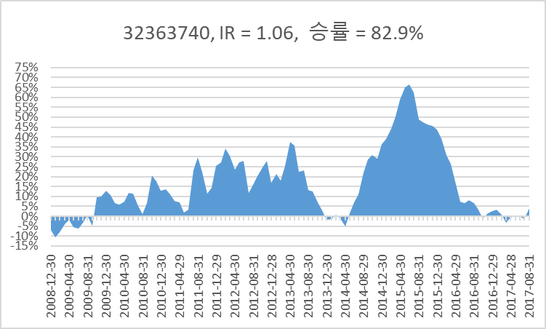
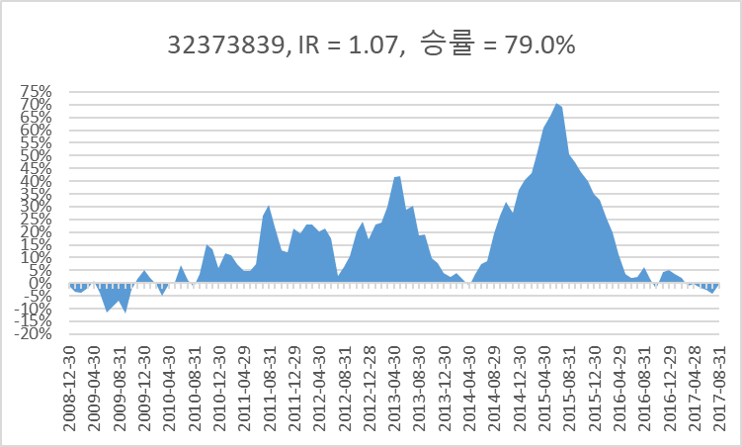
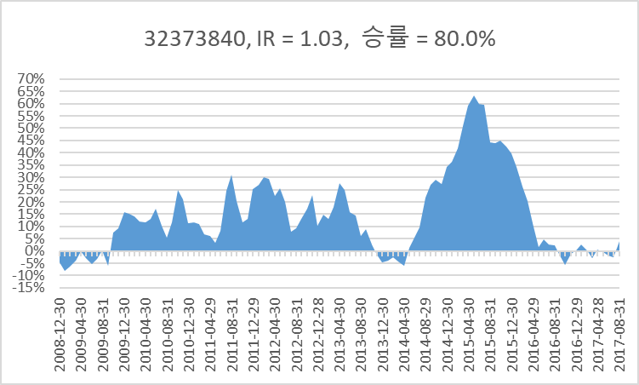
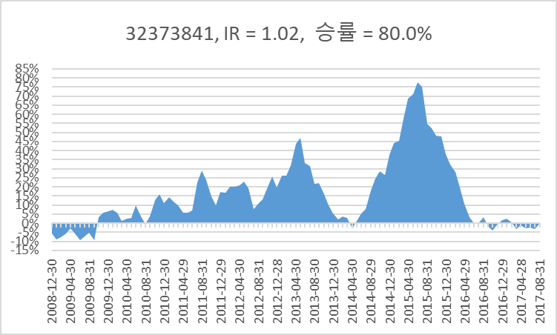
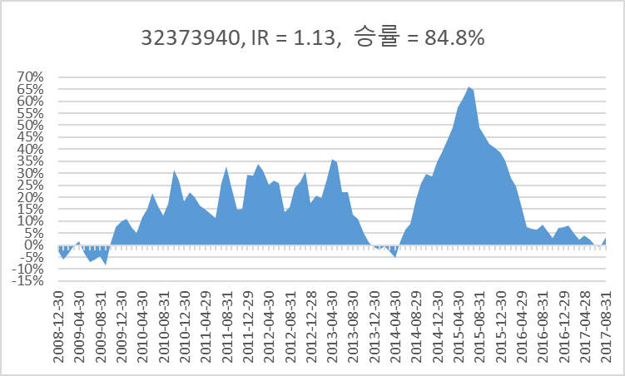
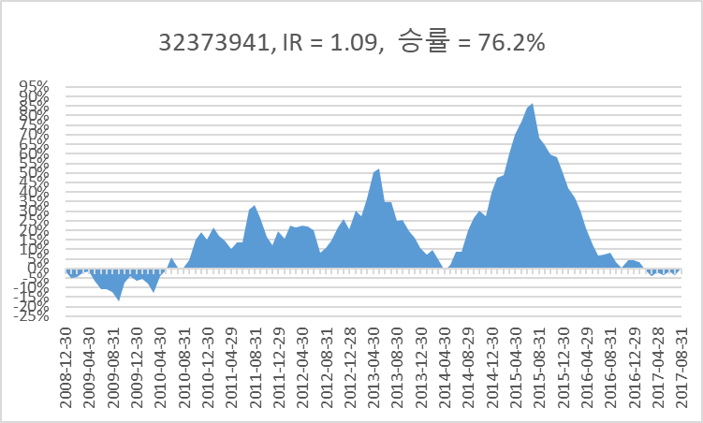
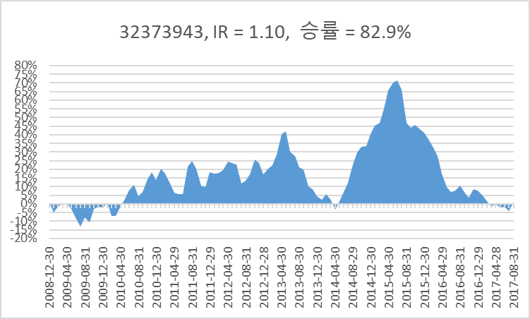
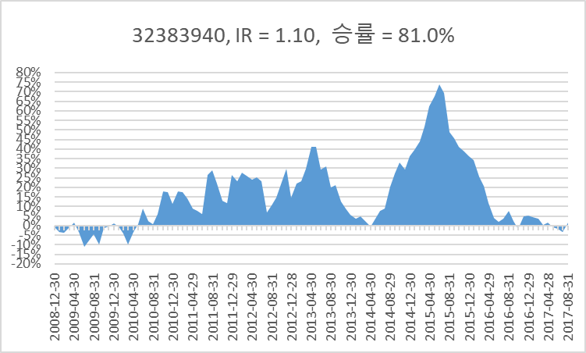
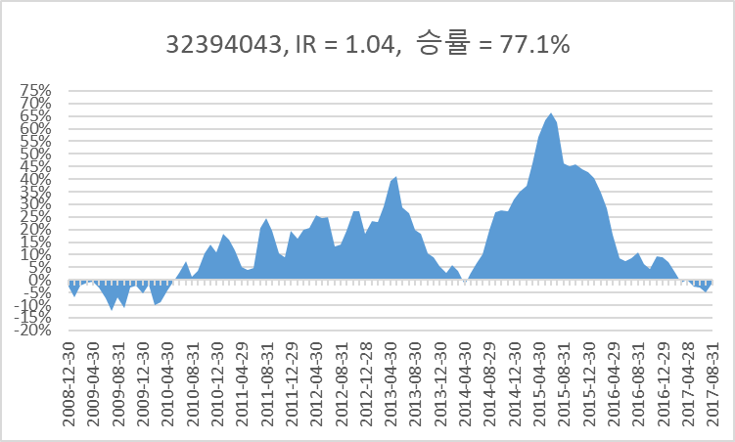
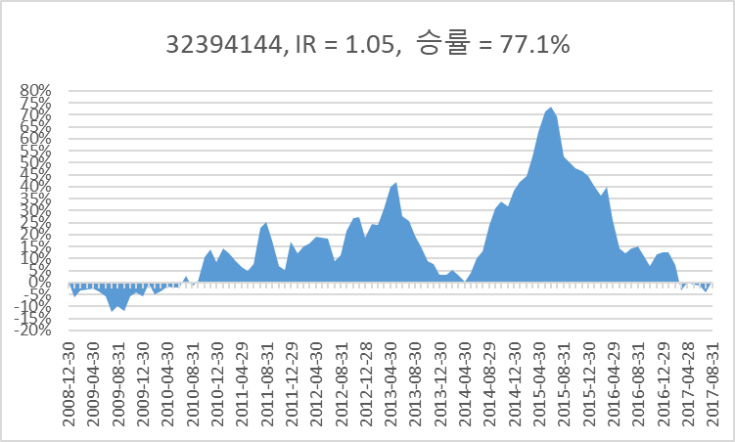

32 | raw_data['1/pbr']=raw_data['EQUITY']/raw_data['MARKET_CAP']
33 | raw_data['1/per']=raw_data['ADJ_NI_12M_FWD']/raw_data['MARKET_CAP']
34 | raw_data['div_yield']=raw_data['CASH_DIV_COM']/raw_data['MARKET_CAP']
35 | raw_data['roe']=raw_data['NI']/raw_data['EQUITY']
36 | raw_data['roa']=raw_data['NI']/raw_data['ASSET']
37 | raw_data['sales_cap']=raw_data['SALES']/raw_data['MARKET_CAP']
38 | raw_data['gpro_cap']=raw_data['GROSS_PROFIT']/raw_data['MARKET_CAP']
39 | raw_data['opro_cap']=raw_data['OPE_PROFIT']/raw_data['MARKET_CAP'] # 이놈 시총제한 있고 없고 차이 심한데
40 | raw_data['sales_cap_ttm']=raw_data['SALES_TTM']/raw_data['MARKET_CAP']
41 | raw_data['opro_cap_ttm']=raw_data['OPE_PROFIT_TTM']/raw_data['MARKET_CAP']
42 | raw_data['1/trd_value']=raw_data['MARKET_CAP'] /raw_data['TRD_VALUE_60D_MEAN']
43 | raw_data['1/vol'] = 1/raw_data['STD_52WEEK']
44 | raw_data['1/beta'] = 1/raw_data['BEDA_52WEEK_D']

